Dashboard
 |  |  |  |  |  |  | 2020-12-23

 | Stock Analyzer: MC.PA

Ticker Symbol: | MC.PA | Start Date: | 2020-01-01 | End Date: | 2020-12-23
Chart | 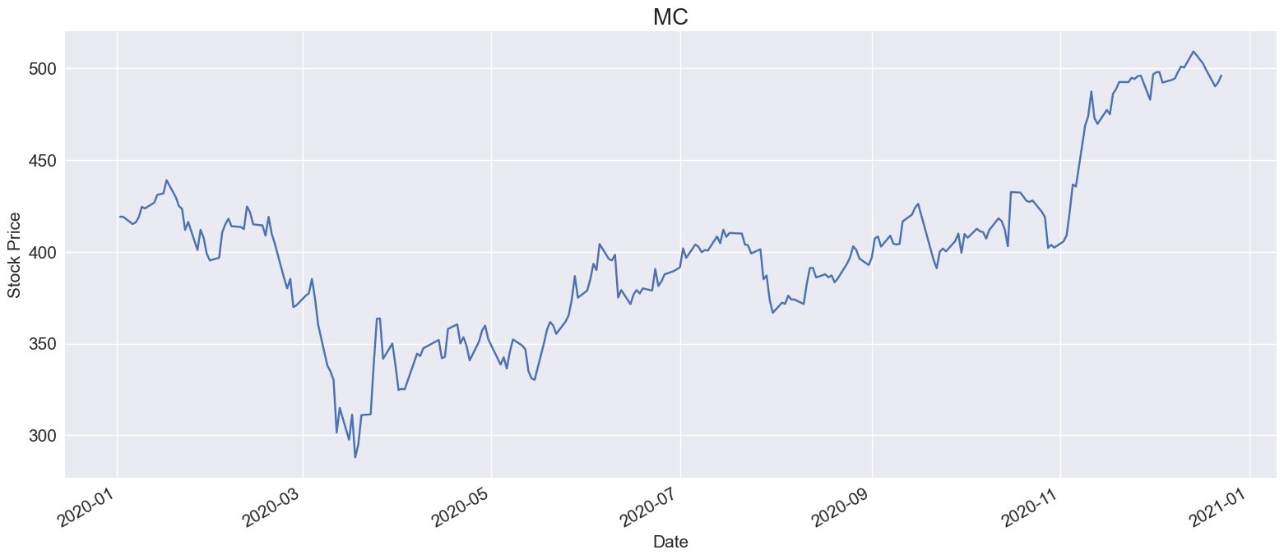 |  |  |  |  |  |  | 

Prices & Return |  |  |  |  |  |  |  |  | Indexes: |  |  |  |  |  | ^GSPC
 |  |  |  |  |  |  |  |  |  |  |  |  |  |  | ^DJI
 |  |  | First Price | 419.15 |  |  |  |  | S&P 500 | ^GSPC | CAC 40 | ^FCHI | SHENZHEN Comp | 399001.SZ | ^IXIC
 |  |  | High Price | 509.20 |  |  |  |  | Dow 30 | ^DJI | BEL 20 | ^BFX | Net TRI | ^JN0U.JO | ^NYA
 |  |  | Low Price | 287.95 |  |  |  |  | Nasdaq | ^IXIC | MOEX | IMOEX.ME | KOSPI | ^KS11 | ^FTSE
 |  |  | Last Price | 496.10 |  |  |  |  | NYSE COMPOSITE | ^NYA | Nikkei | ^N225 | TSEC | ^TWII | ^GDAXI
 |  |  | Total Price Change (%) | 18.4% |  |  |  |  | FTSE 100 | ^FTSE | S&P/TSX | ^GSPTSE | IPC MEXICO | ^MXX | ^FCHI
 |  |  |  |  |  |  |  |  | DAX | ^GDAXI | SSE Composite | 000001.SS | MERVAL | ^MERV | ^BFX
 |  |  |  |  |  |  |  |  |  |  |  |  |  |  | IMOEX.ME
 |  |  |  |  |  |  |  |  |  |  |  |  |  |  | ^N225
Benchmark |  |  |  |  |  | Index: | ^FCHI |  |  |  |  |  |  |  | ^GSPTSE
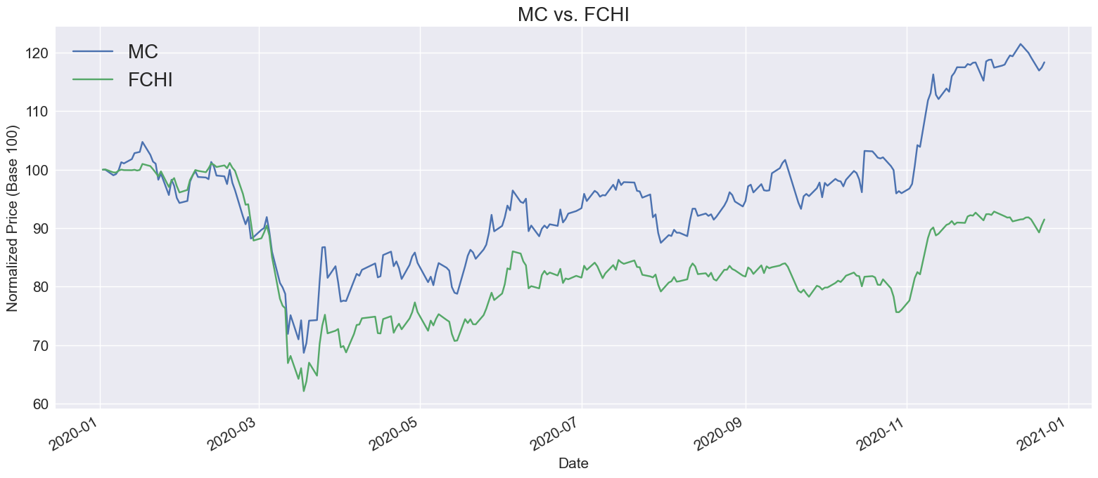
 |  |  |  |  |  |  |  |  |  |  |  |  |  |  | 000001.SS
 |  |  |  |  |  |  |  |  |  |  |  |  |  |  | 399001.SZ
 |  |  |  |  |  |  |  |  |  |  |  |  |  |  | ^JN0U.JO
 |  |  |  |  |  |  |  |  |  |  |  |  |  |  | ^KS11
 |  |  |  |  |  |  |  |  |  |  |  |  |  |  | ^TWII
 |  |  |  |  |  |  |  |  |  |  |  |  |  |  | ^MXX
 |  |  |  |  |  |  |  |  |  |  |  |  |  |  | ^MERV

Beta |  |  |  |  |  | Freq: | D
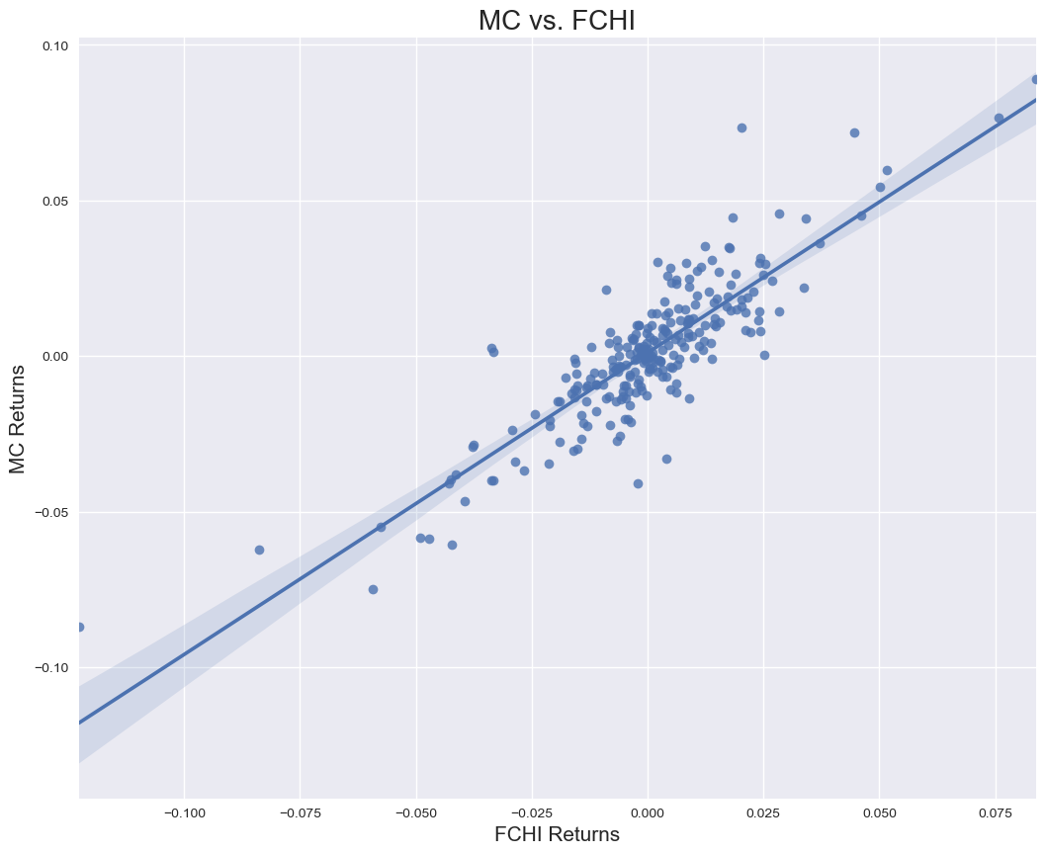
 |  |  |  |  | Obervations |  | 249
 |  |  |  |  | Corr Coef |  | 0.87
 |  |  |  |  | Beta |  | 0.97
 |  |  |  |  | R-Squared |  | 0.75
 |  |  |  |  | t-statistic |  | 27.51
 |  |  |  |  | p-value |  | 0.00
 |  |  |  |  | Conf 0.025 |  | 0.90
 |  |  |  |  | Conf 0.975 |  | 1.04
 |  |  |  |  | Intercept |  | 0.00

